Sheet1
IFAN PIPE AND FITTING-诸暨市风帆管业有限公司（ZHUJI FENGFAN PIPING CO.,LTD)
Affiliated Enterprises：Zhejiang ifan PIPING CO.,LTD 浙江亿帆管业有限公司
ADD： No.18 Xiaguang Road,Jiefang LakeIndustrial Park, Zhuji, Zhejiang, China
Email: www.ifanplus.com Contact Person: IFAN WANG Mobil/WHATSAPP: 008613656666030
IFANUltra Brass Valve
Code | Name | Pictures | Size | PCS/CTN | 含税 RMB | FOB RMB | RMB/PCS EXW | G/PCS | CBM
 |  |  |  |  | 163报价 | 163报价 | 163报价
IUT01 | brass cork A |  | 1/2" 81064 | 120 | ￥11.77 | ￥10.36 | ￥10.36 | 140 | 0.02
IUT02 |  |  | 3/4" 81064 | 80 | ￥17.24 | ￥15.17 | ￥15.17 | 205 | 0.02
IUT03 |  |  | 1" 81064 | 60 | ￥31.53 | ￥27.75 | ￥27.75 | 375 | 0.02
IUT04 | GARDEN TAP PEGLER BRASS A |  | 1/2'' 84011 WX | 120 | ￥15.69 | ￥13.81 | ￥13.81 | 186.6 | 0.02
IUT05 | Brass Gate Valve A |  | 1/2'' 81300 WX | 100 | ￥18.25 | ￥16.06 | ￥16.06 | 217 | 0.02
IUT06 |  |  | 3/4'' 81300 WX | 80 | ￥27.08 | ￥23.83 | ￥23.83 | 322 | 0.02
IUT07 |  |  | 1'' 81300 WX | 50 | ￥42.80 | ￥37.67 | ￥37.67 | 509 | 0.02
IUT08 | NON Return Valve A |  | 3/4" 81420 | 50 | ￥36.16 | ￥31.82 | ￥31.82 | 430 | 0.02
IUT09 |  |  | 1" 81420 | 30 | ￥58.78 | ￥51.73 | ￥51.73 | 699 | 0.02
IUT10 | Check Valve A |  | 3/4" WX | 120 | ￥12.70 | ￥11.17 | ￥11.17 | 151 | 0.02
IUT11 |  |  | 1" WX | 100 | ￥20.21 | ￥17.78 | ￥17.78 | 228 | 0.02
IUT12 | float valve A |  | 1/2" 81506B | 100 | ￥35.46 | ￥31.21 | ￥31.21 | 376 | 0.02
IUT13 |  |  | 3/4" 81506B WX | 60 | ￥0.00 | ￥0.00 | ￥0.00 |  | 0.02
IUT14 |  |  | 1" 81506B WX | 50 | ￥0.00 | ￥0.00 | ￥0.00 |  | 0.02
IUT15 | Brass Tap A | 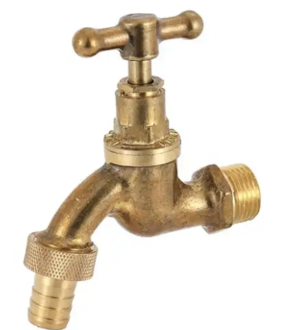 | 1/2" 84107 | 100 | ￥15.98 | ￥14.06 | ￥14.06 | 190 | 0.02
IUT16 | Angle Valve A |  | 1/2 ×1/2 WX | 100 | ￥16.98 | ￥14.94 | ￥14.94 | 180 | 0.03

